Summary
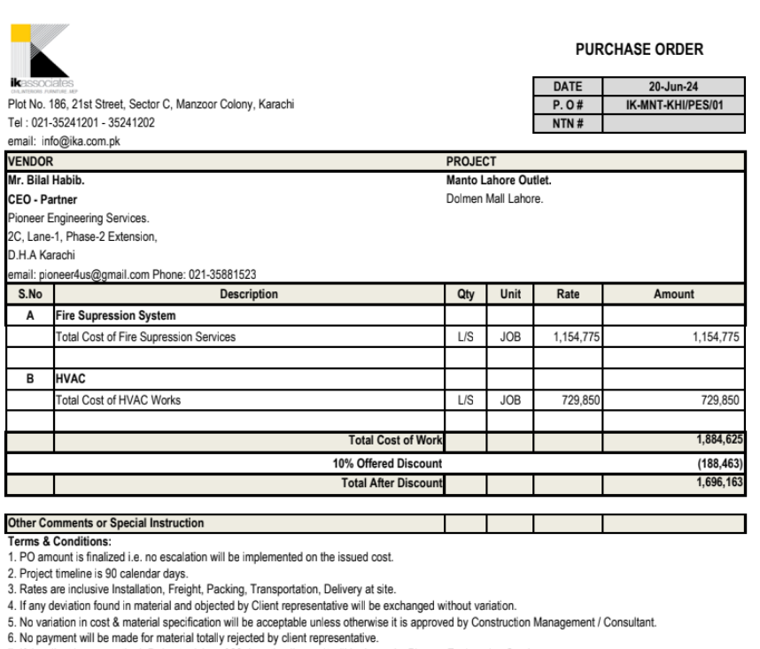

Heating Ventilation & Air Conditioning Services

MANTO DOLMEN MALL LAHORE

Bill of Quantities

SR. # |  |  | Amount

1- | HVAC Work | Rs. | 656,865

2- | Fire Fighting Work | Rs. | 1,039,298

Grand Total Rs. |  |  | 1,696,163

